Shares in prod syst
Amount of beef produced in different systems

 | Denmark | France | Germany | Greece | Hungary | Ireland | Italy | Netherlands | Poland | Spain | Sweden | UK
Recruitment rates
Dairy cows | 0.27 | 0.31 | 0.235 | 0.1 | 0.14 | 0.2 | 0.24 | 0.27 | 0.234 | 0.175 | 0.3 | 0.214 | justera dessa så mängden kött från kor stämmer (gröna celler nedan)
Suckler cows | 0.2 | 0.19 | 0.16 | 0.08 | 0.1 | 0.1 | 0.18 | 0.2 | 0.1 | 0.1 | 0.18 | 0.15 |  | Ahlgren et al 2022, Tabell U i bilaga
Slaughtering weight
Dairy cows | 340 | 340 | 340 | 340 | 340 | 340 | 340 | 340 | 340 | 340 | 340 | 340
Nötkött kommer från fyra system:
- Mjölkkor
- Dikor (cows) i proportioner i antal/rekg
- Kalvar (slaktade vid nio månader) - Calf and young cattle
- Djur slaktade vid 24 mån - Adult cattle
För djur som slaktas vid X mån räknar vi ut någonslag medel vad de är på bete från Johans fodersiffror, X beräknas från hur många djur som finns mellan 1-2 och över 2 år
Overheaden från moderdjuren räknas ut som ett medel från mjölk och dikor och läggs på kalvar och djur som slaktas vid 24 mån
Suckler cows | 375 | 375 | 375 | 375 | 375 | 375 | 375 | 375 | 375 | 375 | 375 | 375 |  | Ahlgren et al 2022, Tabell 10
Young suckler animals | 320 | 320 | 320 | 320 | 320 | 320 | 320 | 320 | 320 | 320 | 320 | 320 |  | Ahlgren et al 2022, Tabell 11
Mortality
Dairy cows | 0.08 | 0.08 | 0.08 | 0.08 | 0.08 | 0.08 | 0.08 | 0.08 | 0.08 | 0.08 | 0.08 | 0.08
Suckler cows | 0.04 | 0.04 | 0.04 | 0.04 | 0.04 | 0.04 | 0.04 | 0.04 | 0.04 | 0.04 | 0.04 | 0.04
Young suckler animals | 0.04 | 0.04 | 0.04 | 0.04 | 0.04 | 0.04 | 0.04 | 0.04 | 0.04 | 0.04 | 0.04 | 0.04
Number of animals, thousands, from Eurostat
Dairy cows | 556 | 3230 | 3809 | 81 | 278 | 1510 | 1864 | 1570 | 2037 | 810 | 298 | 1867 |  | apro_mt_lscatl. 2022 (2019 for UK)
Non dairy cows | 70 | 3790 | 610 | 147 | 143 | 862 | 484 | 44 | 135 | 2078 | 198 | 1470 |  | apro_mt_lscatl. 2022 (2019 for UK)
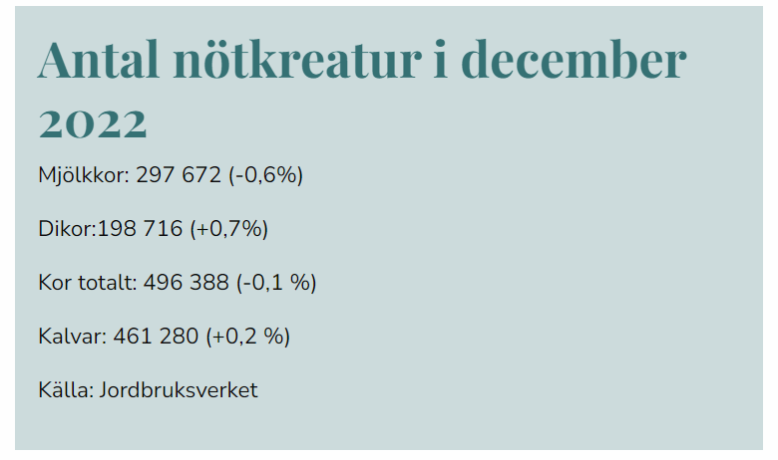
Meat produced, thousand tons, from Eurostat
Bovine meat, total | 119 | 1361 | 987 | 36 | 26 | 621 | 747 | 422 | 541 | 732 | 135 | 914 |  | apro_mt_pann. 2022 (2019 for UK)
- Calf | 0 | 160 | 45 | 1 | 0 | 3 | 79 | 220 | 2 | 12 | 0 | 4
- Young cattle | 33 | 17 | 3 | 7 | 1 | 1 | 7 | 32 | 1 | 203 | 2 | 4
- Adult cattle | 86 | 1185 | 940 | 26 | 25 | 618 | 661 | 170 | 538 | 517 | 133 | 906
-- Cow | 52 | 571 | 315 | 7 | 17 | 125 | 171 | 136 | 154 | 119 | 42 | 204
-- Heifer | 16 | 218 | 163 | 7 | 3 | 181 | 191 | 3 | 86 | 123 | 20 | 258
-- Bull | 16 | 343 | 451 | 12 | 5 | 62 | 298 | 31 | 298 | 272 | 60 | 74
-- Bullock (stut) | 2 | 52 | 11 | 0 | 0 | 250 | 1 | 0 | 0 | 3 | 11 | 371
Meat produced, thousand tons, calculated
From dairy cows | 47 | 313 | 280 | 3 | 12 | 94 | 140 | 133 | 149 | 44 | 28 | 125 | No of dairy cows * recruit rate * slaughtering weight * (1-mortality)
From suckler cows | 5 | 259 | 35 | 4 | 5 | 31 | 31 | 3 | 5 | 75 | 13 | 79 | No of suckler cows * recruit rate * slaughtering weight * (1-mortality)
Total from cows | 52 | 572 | 315 | 7 | 17 | 125 | 171 | 136 | 154 | 119 | 41 | 204 | Sum of the two above
From young animals suckler herds | 17 | 331 | 157 | 13 | 3 | 238 | 122 | 11 | 37 | 287 | 50 | 384 | Assuming every suckler cow has one calf per year - mortality -those that go into recruitment
From dairy offspring | 17 | 282 | 468 | 7 | 5 | 255 | 368 | 23 | 346 | 112 | 42 | 319 | The rest of meat from offspring is from dairy offspring
Meat produced, thousand tons, in the systems defined by us |  |  |  |  |  |  |  |  |  |  |  |  | För Frankrike, Spanien, Grekland och Ungern funkar inte detta för den beräknade köttmängden blir
Calves slaughtered app. 9 month | 33 | 177 | 47.49 | 8.6 | 0.91 | 3.16 | 86.11 | 252 | 2.42 | 214.38 | 1.9 | 8.03 | mycket större än den verkliga, detta kan bero på handel med djur mellan länder eller att varje ko inte
Meat from suckler herds (cows+offspring) | 22.2 | 590.5 | 192.5 | 16.8 | 7.7 | 269.4 | 153.3 | 14.0 | 42.2 | 361.5 | 62.7 | 463.2 | får en kalv per år och/eller andra slaktvikter -> löser detta genom att dela det slaktade ungdjurköttet mellan
Meat from dairy offspring | 17.3 | 282.3 | 467.7 | 6.9 | 4.9 | 254.7 | 368.0 | 23.5 | 346.4 | 111.8 | 41.5 | 319.0 | mjölk och dikosystem baserat på antalet mjölkkor och dikor för dessa länder (gråmarkerade celler)
(Dairy cows, for control) | 47 | 313 | 280 | 3 | 12 | 94 | 140 | 133 | 149 | 44 | 28 | 125
Total | 119 | 1363 | 988 | 35 | 26 | 622 | 747 | 422 | 540 | 732 | 134 | 915
Total without dairy cows | 72 | 1049 | 708 | 32 | 13 | 527 | 607 | 289 | 391 | 688 | 106 | 790
Shares (without dairy cows)
Calves slaughtered app. 9 month | 0.45 | 0.17 | 0.07 | 0.27 | 0.07 | 0.01 | 0.14 | 0.87 | 0.01 | 0.31 | 0.02 | 0.01
Meat from dairy offspring sl.age. app 24m | 0.24 | 0.27 | 0.66 | 0.21 | 0.36 | 0.48 | 0.61 | 0.08 | 0.89 | 0.16 | 0.39 | 0.40
Meat from suckler herds (cows+offspring) | 0.31 | 0.56 | 0.27 | 0.52 | 0.57 | 0.51 | 0.25 | 0.05 | 0.11 | 0.53 | 0.59 | 0.59
Shares with dairy cows
Calves slaughtered app. 9 month | 0.27 | 0.13 | 0.05 | 0.25 | 0.04 | 0.01 | 0.12 | 0.60 | 0.00 | 0.29 | 0.01 | 0.01
Meat from dairy offspring sl.age. app 24m | 0.15 | 0.21 | 0.47 | 0.20 | 0.19 | 0.41 | 0.49 | 0.06 | 0.64 | 0.15 | 0.31 | 0.35
Meat from suckler herds (cows+offspring) | 0.19 | 0.43 | 0.19 | 0.48 | 0.30 | 0.43 | 0.21 | 0.03 | 0.08 | 0.49 | 0.47 | 0.51
Dairy cows | 0.39 | 0.23 | 0.28 | 0.07 | 0.47 | 0.15 | 0.19 | 0.31 | 0.28 | 0.06 | 0.21 | 0.14

Animal welfare | From sheet Animal welfare index.xlsx
Calves slaughtered app. 9 month | 0.019 | 0.025 | 0.023 | 0.025 | 0.025 | 0.025 | 0.025 | 0.023 | 0.025 | 0.025 | 0.022
Meat from dairy offspring sl.age. app 24m | 0.010 | 0.012 | 0.014 | 0.014 | 0.015 | 0.013 | 0.017 | 0.013 | 0.016 | 0.011 | 0.011
Meat from suckler herds (cows+offspring) | 0.014 | 0.013 | 0.015 | 0.015 | 0.016 | 0.014 | 0.018 | 0.014 | 0.018 | 0.012 | 0.011
Weighted average | 0.016 | 0.015 | 0.015 | 0.018 | 0.016 | 0.013 | 0.019 | 0.021 | 0.016 | 0.016 | 0.011 | 0.013

Data on grazing:
https://www.mdpi.com/2071-1050/12/3/1098

